Motor, Sensor Joystick
Motor and Relay Coordination Chart including Functions |  |  | Items in italics are not implemented

Motor Function Chart
What the motor does | Motor Type | Control connection (PWM and/or CAN) | Feedback (Distance/Velocity encoder, Current sensor, internal via CAN, etc.) | Speed Controller | Device ID or PWM # | Color code (Bk, Br, R, Or, Y, Gn, Bu, V, Si, W) | Power source | Max Current Required | Braking (yes or no) | Inverted (yes/no)/sensor phase (true/false) | Joystick | Control method (Button, axis, etc)
Left Front Master | Falcon | CAN | Integrated encoder 2048 | Falcon | ID-1 | Yellow | PDP 18 | 40 | Yes | n | Joystick 0 | x,y-axis
Right Front Master | Falcon | CAN | Integrated encoder 2048 | Falcon | ID-2 | Green | PDP 1 | 40 | Yes | y | Joystick 0 | x,y-axis
Left Rear Slave | Falcon | CAN | slave | Falcon | ID-3 | Red | PDP 19 | 40 | Yes | n | slave
Right Rear Slave | Falcon | CAN | slave | Falcon | ID-4 | Blue | PDP 0 | 40 | Yes | y | slave
Pigeon |  |  |  |  | ID-6
Wrist motor | Talon | CAN |  | talon | ID-14 | Purple
Joust Motor |  |  |  |  |  | Black
Turret Motor |  |  |  |  |  | Orange
Arm Pivot |  |  |  |  |  | Brown
Talon |  |  |  |  | ID-6

Sensor
Purpose | Type | Source | Digital input output port | Color code - All with a White or Silver stripe (W-Bk, W-Br, W-R, W-Or, W-Gn, W-Bu, W-V, W-W) | Purpose | Type | LV Name | Analog input Port | Min voltage to measure | Expected voltage | Max voltage to measure | Color code - All with a silver stripe (Si-Bk, Si_R, Si-Or, Si-Gn, Si-Bu, Si-V, Si-W)
Pigeon | Direction Sensor |  | Talon SRX | 2 |  |  |  |  |  |  |  | Si-Or
Climb Camera | Microsoft | Roborio USB |  | 10
Drive Camera | Genius 120 deg | Roborio USB |  | 3 |  |  |  |  |  |  |  | Si-Y
Vision Processing | Limelight | Ethernet | Switch | 4
Ball storage detection | distance sensor | Analog | Roborio Port 0 | 5
Ball Storage 1 | IR Detector | Digital | Digital 0 | 6
Ball Storage 2 | IR Detector | Digital | Digital 1 | 7
Color Sensor Ball Pickup | REV Color Sensor | Analog | SPI | 11
Climb Stop Left | Magnetic | Falcon Limit switch | Forward | 8
Climb Stop Right | Magnetic | Falcon Limit Switch | Reverse | 9

Joystick and HMI | Using Logitech Controller
Joystick | Function | Buttons/Axes | Case/Mode | Joystick | Function | Buttons/Axes | Notes
Joystick0 - Arcade Drive | Drive north/south | left y-axis | Both Joystick drive mode |  |  |  |  |  |  |  | in code we will negate x, y | so forward is positive y and CCW rotation is positive X
Joystick0 - Arcade Drive | Drive east/west | right x-axis | Both Joystick drive mode
Joystick0 - Arcade Drive | Drive | left joystick | DEFAULT manual drive command
Joystick
44
54
3
2
6
11
10
7
8
9
Z
-Y
X
1
Joystick0 - Arcade Drive | Turbo mode | 6
Joystick0 - Arcade Drive | Drive straight | 7
Joystick0 - Arcade Drive | Turn left 90 | 0
Joystick0 - Arcade Drive | Turn right 90 | 2
Joystick0 - Arcade Drive | Turn left 180 | 3
Joystick0 - Arcade Drive | Turn right 180 | 1
Joystick0 - Arcade Drive | Limelight | 8
Joystick0 - Arcade Drive

Joystick 1 - Operator | Ball pickup | 1
Joystick 1 - Operator | Ball flush | 2
Joystick 1 - Operator | Turret | Direction Pad |  |  |  |  |  |  |  |  |  | GAME BOY REMOTE
Joystick 1 - Operator | Shoot | 4 |  |  |  |  |  |  |  |  |  | 1 - left side up and down
Joystick 1 - Operator | Climb unlock left | 5 |  |  |  |  |  |  |  |  |  | 3 - right side up and down
Joystick 1 - Operator | Climb unlock right | 6 |  |  |  |  |  |  |  |  |  | X is 1
Joystick 1 - Operator | Climb lock left | 7 |  |  |  |  |  |  |  |  |  | A is 2
Joystick 1 - Operator | Climb lock right | 8 |  |  |  |  |  |  |  |  |  | B is 3
Joystick 1 - Operator | Color wheel spin | 9 |  |  |  |  |  |  |  |  |  | Y is 4
Joystick 1 - Operator | Color wheel color | 10 |  |  |  |  |  |  |  |  |  | Left top is 5
Joystick 1 - Operator | Left arm | 1 |  |  |  |  |  |  |  |  |  | Right top is 6
Joystick 1 - Operator | Right arm | 3 |  |  |  |  |  |  |  |  |  | Left lower is 7
 |  |  |  |  |  |  |  |  |  |  |  | Right lower is 8

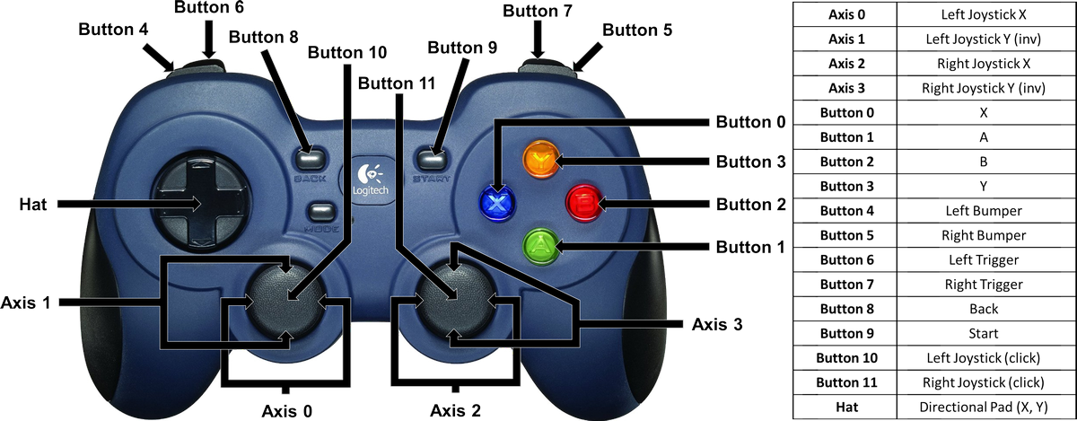

CAN Bus Connection Sequence
RoboRio - Gn SRX - Br SRX - R SRX - PCM - Or SRX - Y SRX - Pwr Distribution Panel

